Line Chart
Row Labels | Count of id
01 | 1089
02 | 1084
03 | 1089
04 | 1049
05 | 1090
06 | 1152
07 | 1045
08 | 1066
09 | 1123
10 | 1092
11 | 1087
12 | 1088
Grand Total | 13054

Doughnut
Row Labels | Count of id
Call Center | 4158
Chatbot | 3226
Email | 3024
Web | 2646
Grand Total | 13054

Column
Row Labels | Count of id
Billing Question | 9262
Payments | 1906
Service Outage | 1886
Grand Total | 13054

Bar
Row Labels | Count of id
Above SLA | 1672
Below SLA | 3202
Within SLA | 8180
Grand Total | 13054

Call Sentiment
Row Labels | Count of id
Negative | 4372
Neutral | 3530
Positive | 1590
Very Negative | 2331
Very Positive | 1231
Grand Total | 13054

Dashboard
Call Centre Dashboard

October 2020

Filters
Call Trends
Calls by Reason

 | Total
01 | 1089
02 | 1084
03 | 1089
04 | 1049
05 | 1090
06 | 1152
07 | 1045
08 | 1066
09 | 1123
10 | 1092
11 | 1087
12 | 1088
 | Total
Billing Question | 9262
Payments | 1906
Service Outage | 1886

Calls by States
Calls by Call Channel
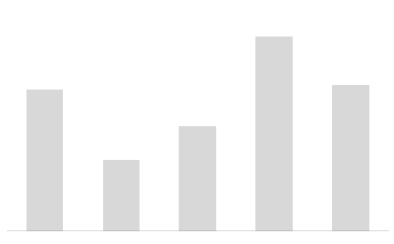
 | Total
Call Center | 4158
Chatbot | 3226
Email | 3024
Web | 2646
Total
Inbound Calls

13.054

Calls by Response Time
Calls by Sentiment

 | Total
Above SLA | 1672
Below SLA | 3202
Within SLA | 8180
 | Total
Negative | 4372
Neutral | 3530
Positive | 1590
Very Negative | 2331
Very Positive | 1231

Dashboard 2
Call Centre Dashboard

October 2020

Filters
Call Trends
Calls by Reason

 | Total
01 | 1089
02 | 1084
03 | 1089
04 | 1049
05 | 1090
06 | 1152
07 | 1045
08 | 1066
09 | 1123
10 | 1092
11 | 1087
12 | 1088
 | Total
Billing Question | 9262
Payments | 1906
Service Outage | 1886

Calls by States
Calls by Call Channel

 | Total
Call Center | 4158
Chatbot | 3226
Email | 3024
Web | 2646
Total
Inbound Calls

13.054

Calls by Response Time
Calls by Sentiment

 | Total
Above SLA | 1672
Below SLA | 3202
Within SLA | 8180
 | Total
Negative | 4372
Neutral | 3530
Positive | 1590
Very Negative | 2331
Very Positive | 1231

Dashboard 3
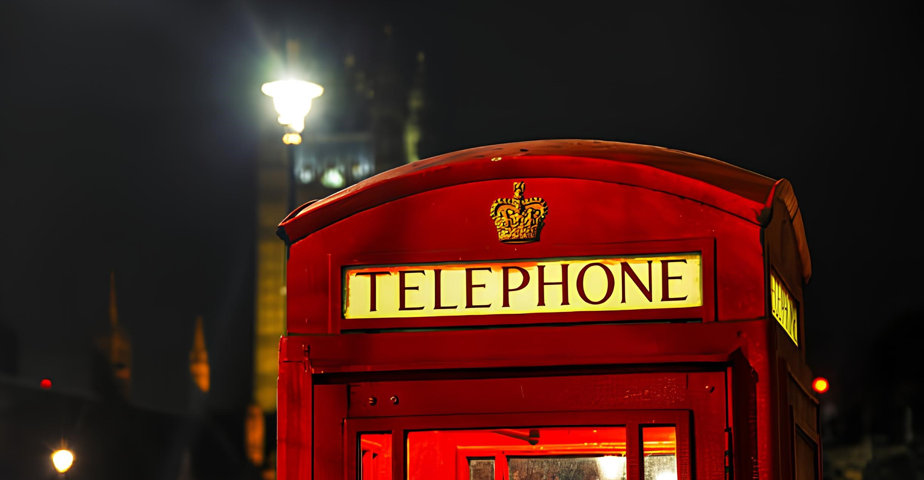
Call Centre Dashboard

Data October 2020

Call Trends
Reason of Calling

 | Total
01 | 1089
02 | 1084
03 | 1089
04 | 1049
05 | 1090
06 | 1152
07 | 1045
08 | 1066
09 | 1123
10 | 1092
11 | 1087
12 | 1088
 | Total
Billing Question | 9262
Payments | 1906
Service Outage | 1886

Calls by States
Calls by Call Channel
Calls by Response Time

 | Total
Above SLA | 1672
Below SLA | 3202
Within SLA | 8180
 | Total
Call Center | 4158
Chatbot | 3226
Email | 3024
Web | 2646

Filters

